Arkusz1
Photo | Code | Style | RRP | Price | QTY | 27.5 | 28 | 29 | 30 | 30.5 | 31 | 32 | 32.5 | 33 | 34 | 34.5 | 35
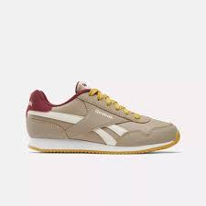 | 100033276 | Royal CL Jogger | 45.00 EUR | 17.00 EUR | 132 |  | 4 | 11 | 3 | 3 |  | 3 | 3 | 9 | 29 | 5 | 62
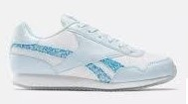 | 100033279 | classic jogger 3.0 | 50.00 EUR | 17.00 EUR | 163 | 4 | 14 | 14 | 4 | 11 | 5 |  |  |  | 34 |  | 77
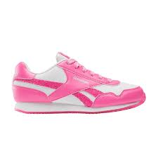 | 100033278 | classic jogger 3.0 | 50.00 EUR | 17.00 EUR | 166 | 12 | 24 | 14 | 14 | 12 | 24 |  |  |  | 4 |  | 62
Photo | Code | Style | RRP | Price | QTY | 36 | 36.5 | 37 | 38
 | 100033276 | Royal CL Jogger | 45.00 EUR | 19.00 EUR | 238 | 72 | 21 | 78 | 67
 | 100033279 | classic jogger 3.0 | 45.00 EUR | 19.00 EUR | 411 | 119 | 20 | 132 | 140
 | 100033278 | classic jogger 3.0 | 50.00 EUR | 19.00 EUR | 238 | 88 | 2 | 98 | 50
 |  |  |  |  | 1348

